1. Title Page
[Grocery Backet Analysis
]

Project Name: Grocery Basket Analysis
Date: 18.11.2023
Analyst Name: Nonso Ezeoma

Contents:
Population Flow
Consistency checks
Wrangling steps
Column derivations
Visualizations
Recommendations

2. Population Flow
Title page

Population flow

Exclusion flag
Condition: max_order < = 5
Obervations to be removed: PII
Final total count of order_products_all using subset_25percent: 3042409

Orders_products_combined
Orders_products_merged
Orders_products_all

Total: 32404859, 14
Total: 3042409, 33
Total: 32434489, 9

Orders_products_merged_ new

Total: 32404859, 19

Orders_products_merged_updated

Total: 32404859, 24

3. Consistency checks
 |  |  |  |  | Title page
Consistency checks

Dataset | Variable | Missing values | Missing values treatment | Duplicates
orders | days_since_prior_order | 206209 | replaced by the median (7.0)

products | product_name | 16 | delete
 |  |  |  | only 5 duplicated were deleted
 | prices --> contains too large values (99999.00)
orders_products_prior

customers | first_name | 11259 | Removed the column entirely as it contains PII and not a subject of interest in conducting analysis

* Lately all the PII data was removed from the final dataframe.

4. Wrangling steps
 |  |  |  | Title page
Wrangling steps

Columns dropped | Columns renamed | Columns' type changed | Comment/Reason
eval_set in orders |  |  | irrelevant information for the further analysis
 | order_dow -> orders_day_of_week |  | easy clarification
 | order_dow -> orders_day_of_week | days_since_prior_order (changed to int) | column contains numbers
first_name in customers | order_hour_of_day->order_hour |  | PII data
last_name in customers |  |  | PII data
date_joined in customers |  |  | irrelevant information for the further analysis

5. Column derivations
 |  |  |  | Title page

Column derivations and aggregations

Dataset | New column | Column/s it was derived from | Conditions
high_activity_customers | price_range | prices | #If the item’s price is lower than or equal to $5, it will be labeled as a “low-range product.” #If the item’s price is above $5 but lower than or equal to $15, it will be labeled as a “mid-range product.” #If the item’s price is above $15, it will be labeled as a “high-range product.”
 | busiest_day | orders_day_of_week | “Busiest day” - the most busiest, “Least busy” - the least busiest, and all others as “Regularly busy.”
 | busiest_days | orders_day_of_week | “Busiest days” - the 2 most busiest, “Least busy days” - the 2 least busiest, and all others as “Regularly busy.”
 | busiest_period_of_day | order_hour | categorize order hours into "Most orders," "Fewest orders," and "Average orders" for managerial insight based on specific time intervals
ords_prods_merged_updated + new columns | max_order | order_number & user_id | data aggregation by user_id to calculate the maximal orders count
 | loyality flag | max_order | max orders > 40 --> Loyal customer max orders > 10 and <= 40 --> Regular customer max orders < 10 --> New customer
 | spender_flag | average_price | average_price by user is < 10 --> Low spender average_price by user is >= 10 --> High spender
 | median_days_since_prior_order | days_since_prior_order | median of “days_since_prior_order” aggregated by user_id
 | order_frequency_flag | median_days_since_prior_order | median of “days_since_prior_order” > 20 ---> Non-frequent customer median of “days_since_prior_order” > 10 and <= 20 --> Regular customer median of “days_since_prior_order” <= 10 --> Frequent customer
ords_cus_merged_ready | region | state | using US region information in Wikipedia to order states by US regions: 1_Northeast, 2_Midwest, 3_South, 4_West, others
 | exclusion_flag | order_number | # Step 1: Create the exclusion flag ords_cus_merged['exclusion_flag'] = ords_cus_merged['order_number'] < 5 # Step 2: Filter out low-activity customers high_activity_customers = ords_cus_merged[ords_cus_merged['exclusion_flag'] == False] # Assign a flag for low-activity customers ords_cus_merged.loc[ords_cus_merged['order_number'] < 5, 'exclusion_flag'] = 'low-activity customers'
high_activity_customers | Customer_Profile | number_of_dependants and family_status | Segment customers into age groups for analysis: def create_profile(row): if row['number_of_dependents'] > 0 and row['family_status'] == 'married': return 'Family with Kids' elif row['number_of_dependents'] > 0 and row['family_status'] == 'single': return 'Single with Kids' elif row['number_of_dependents'] == 0 and row['family_status'] == 'single': return 'Single No Kids' else: return 'Other'
High_activity_customers | Age-Group | Age | def create_profile(row): if row['Age'] <= 35: return 'Young adult' elif 35 < row['Age'] <= 60: return 'Middle age' else: return 'Senior'

6. Visualizations
 |  |  |  |  | Title page

Visualisations - Key questions

 | 1. | What are the busiest days of the week and hours of the day?
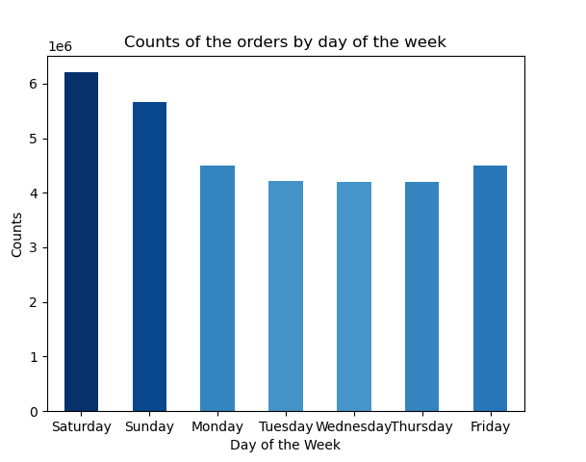


 |  | Isights:

 |  | We can see that there are are more distribution of orders placed on the weekends (Saturday being the highest) than weekdays
 |  | Orders peak during working hours, between 9 a.m. and 4 p.m., and accounts for about 65% of the total number of orders. After 18 hours there is a smooth decline. At midnight, from 0 to 5 a.m., the number of orders remain usually minimally on decline

 | 2 | What are the specific times of the day when people spend the most money?

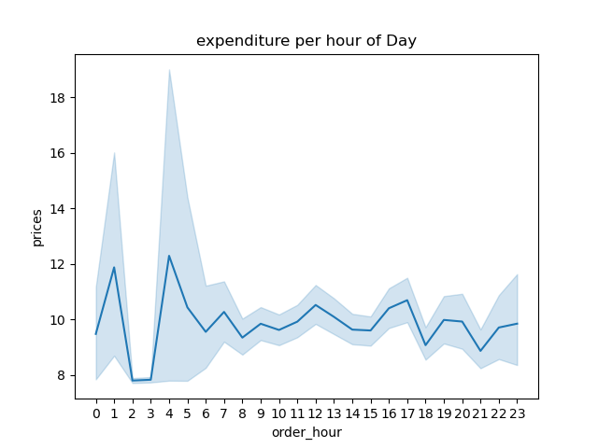

 |  | Isights:

 |  | There are two significant peaks in expenditure, one just before 5 AM and another smaller peak at around 10 AM. During these times, the average spending per order is the highest, indicating that a subset of customers is likely to spend more during these hours.
 |  | NOTE: Prices with unexpected values (higher than 100) were excluded from this analysis.

 | 3 | Which departments have the highest frequency of product orders?
 |  |  |  | Percentages
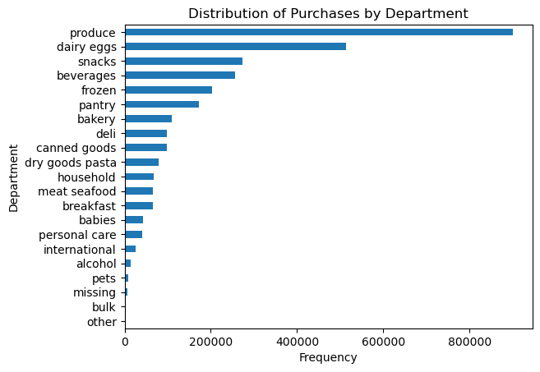

 |  | Isights:

 |  | The 'produce(29.37%)' department has the highest frequency of product orders, followed by 'dairy eggs(16,74%)', 'snacks(8.95%)', and 'beverages(8.31%)'.

 | 4 | Instacart has a lot of products with different price tags. Marketing and sales want to use simpler price range groupings to help direct their efforts.
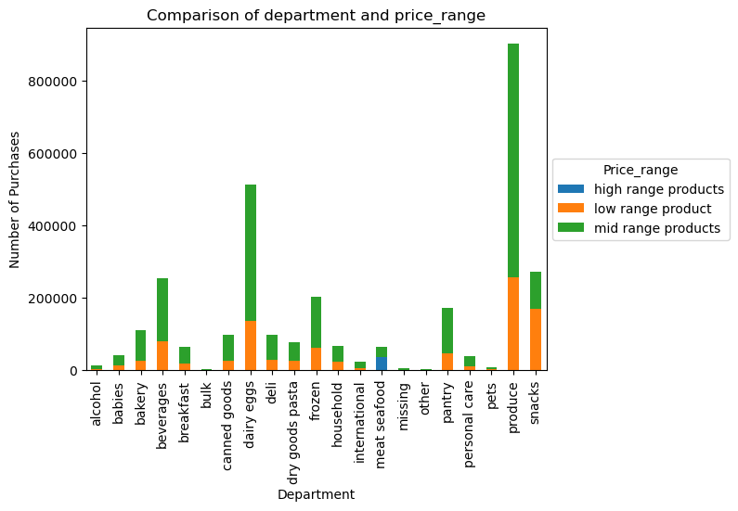

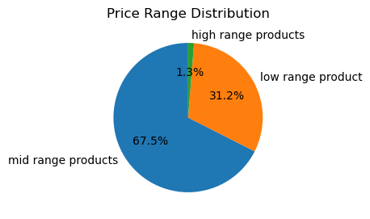

 |  | Isights:

 |  | The majority of products, 67.5%, are categorized as mid-range in price. A significant portion, 31.2%, are classified as low range. Only a small fraction, 1.3%, of Instacart's products fall into the high-range price category.

 |  | Price Groupings: Low-range product: $0.00 to $5.00 Mid-range product: $5.01 to $15.00 High-range product: $15.00 and above The price group is dominated by Mid-range product with 67.5% in total. | The majority of the products fall in the mid ranges. High range products are least common among all departments. Produce is the leading department with the highest overall number of purchases, predominantly in the mid-range

 | 5 | Are there differences in ordering habits based on a customer’s loyalty status? How often do they return to instacart
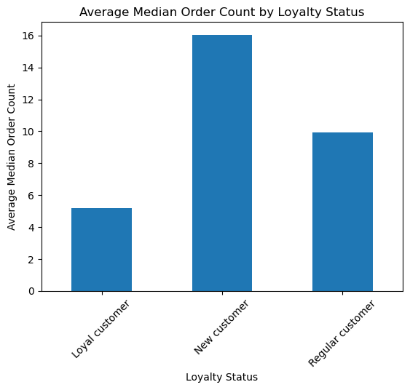
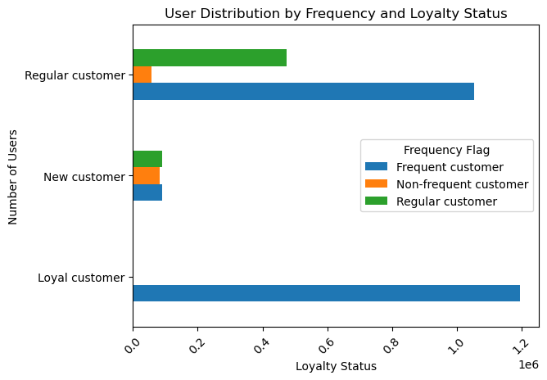

 |  | The bar chart show that Loyal customesr are the most frequent customers followed closely by regular customers. the gap between both and the new customer is quite interesting to observe but it sure confirms that most new customers have no prior history with order On the median days since prior order Loyal customer: About 5 days Regular customer: About 9 days New customer: About 17 days

 | 6 | Are there differences in ordering habits based on a customer’s loyalty status?

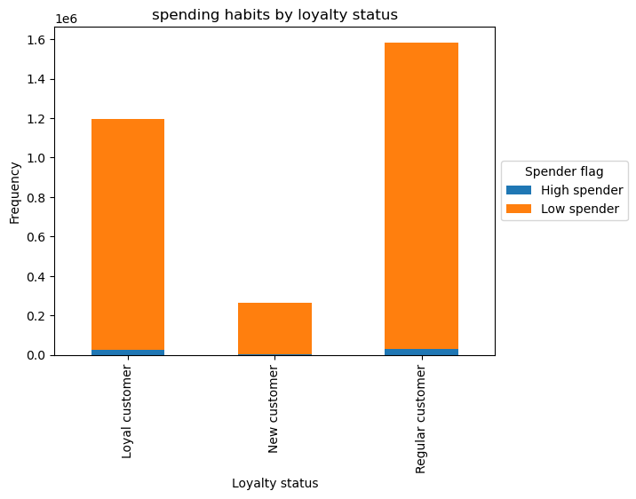
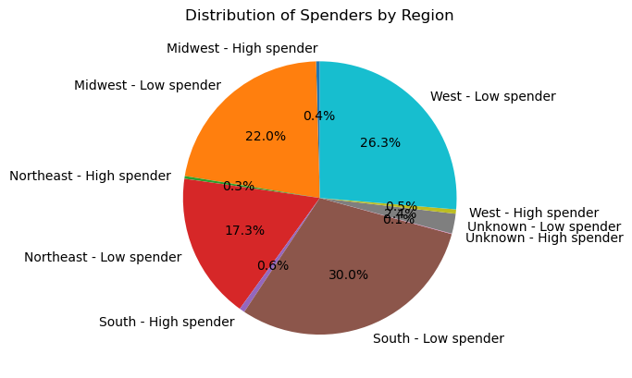

 |  |  | the south makes up the largest portion of the pie at 30.0% The second-largest group at 26.3% is the low spenders in the West region. Customers in the Midwest region who are low spenders account for 22.0% of the distribution. This group represents 17.3% of the distribution, making low spenders in the Northeast region the smallest group among the regional low spenders

 |  | The majority of customers from all the categories are low spenders. That is, most order are below $10 and regular customers make the most orders followed by loyal customers. average order below $10 are considered as low spender.

 | 7 | Are there differences in ordering habits based on a customer’s region?
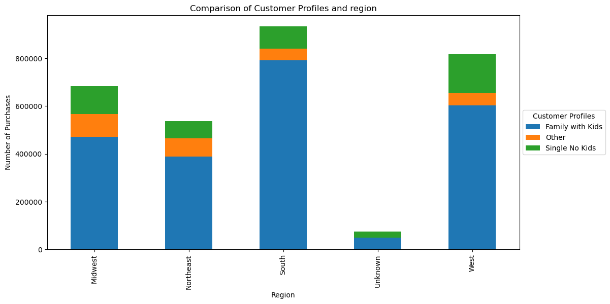
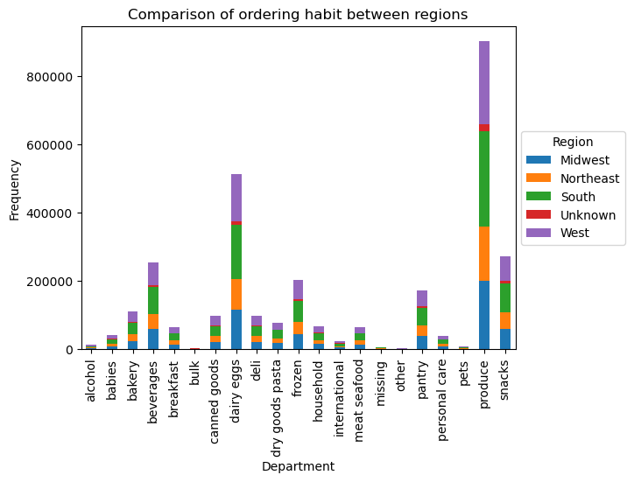

 |  | The south have the most concentrated number of customer ordering habits in terms region. The highest number of customers are from the family with kids profile which are also highly prevalent in othe regions. It does show that customers with kids have more responsibility towards engagement in their ordering habit, across all region.
 |  |  | Produce scores the most in all region within the department, followed by dairy eggs, snacks and beverages.

 | 8 | Is there a connection between age and family status in terms of ordering habits?

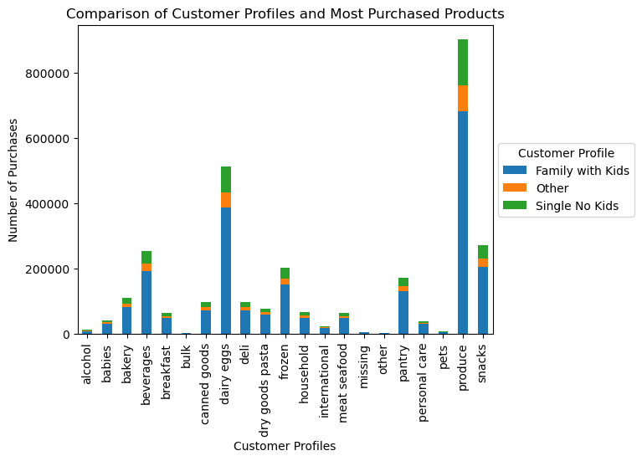
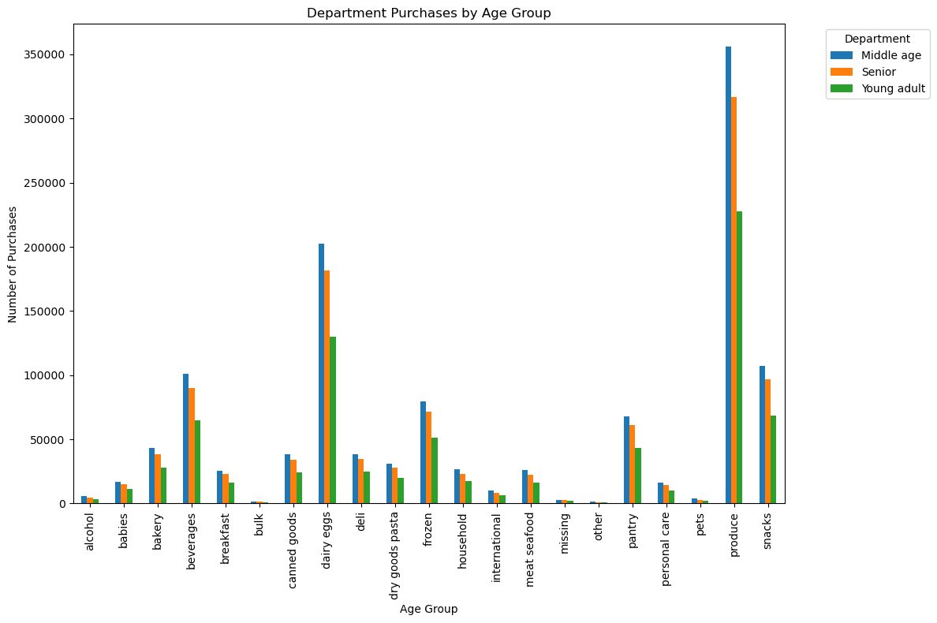

 |  |  | Family with Kids' is the dominant customer group in terms of purchase volume across almost all departments, with 'snacks' and 'produce' being the most purchased categories.
 |  | Middle age group have the highest ordering habit in all department Followed by the senior group which is age above 60. Interestingly to observe that in all department’s young adult, score the lowest.

9 |  | What different classifications does the demographic information suggest? Age? Income? Certain types of goods? Family status?

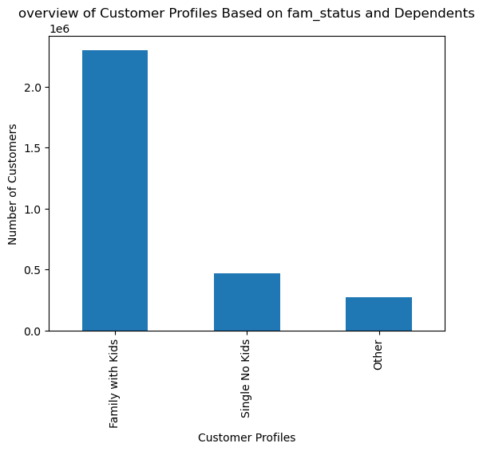
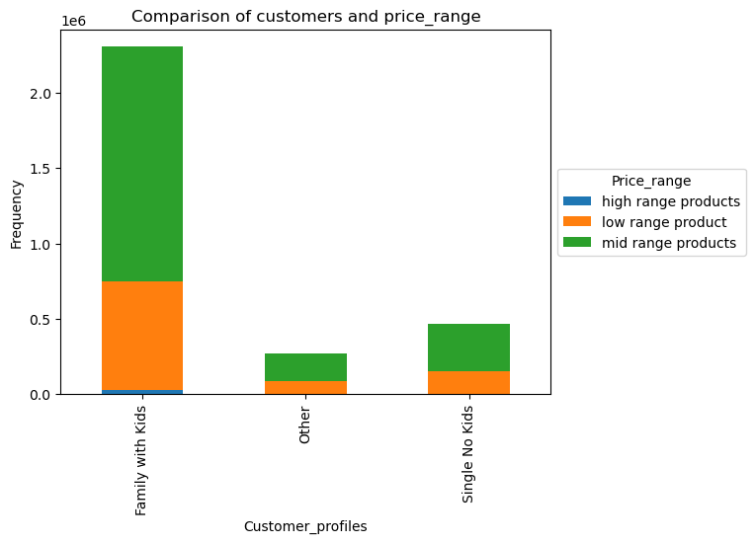

 |  | Family with Kids are the highest number of customers with instacart
 |  |  | Family with kids have the high percentage of customers who buy mid-range products

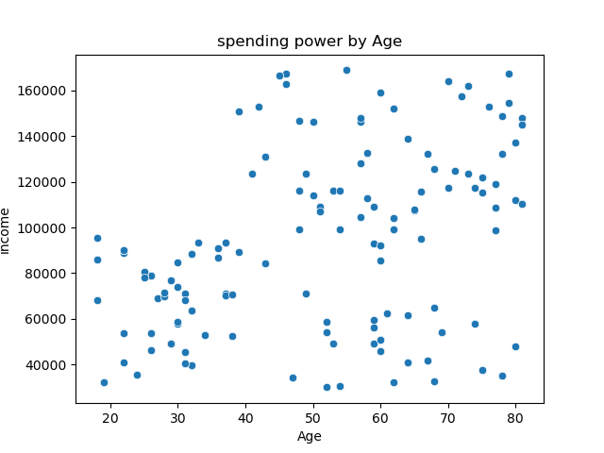
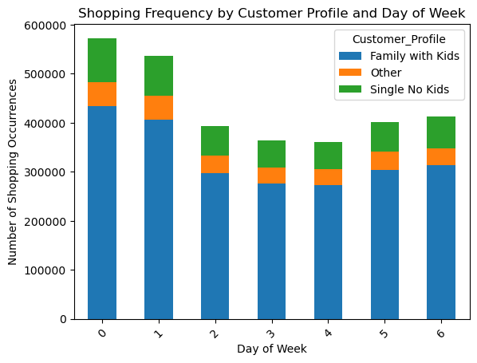

 |  | Most shoppings are done in the weekends and are primarily dominated by family with kids | There's a visible concentration of higher incomes in the mid-age range, roughly between 40 to 60 years. It's common to see incomes rise as individuals progress through their careers, which typically peaks in middle age.

7. Recommendations
 |  | Title page

Recommendations

 | Question
1 | What are the busiest days of the week and hours of the day?
2 | What are the specific times of the day when people spend the most money?
3 | Instacart has a lot of products with different price tags. Marketing and sales want to use simpler price range groupings to help direct their efforts
4 | Which departments have the highest frequency of product orders?
5 | what's the distribution among users in regards to their brand loyalty
6 | Are there differences in ordering habits based on a customer’s region?
7 | Are there differences in ordering habits based on a customer’s region?
8 | What differences can you find in ordering habits of different customer profiles?
 | NOTE: You can find all visualizations ordered by question number on the 6th Visualization Sheet.

 | Recommendations
1 | What are the busiest days of the week and hours of the day?
 | Recommendations: Busy hours: 09:00 AM till 04:00 PM Busy days: Friday, Saturday, and Sunday Recommendations for ad placement include targeting the post-work window around 4-5 PM when people are more likely to be influenced by ads due to mental fatigue, utilizing lunch hours when consumer phone activity peaks, and ramping up ads over the weekend when people have more time to shop.

2 | what are the specific times of the day when people spend the most money?
 | Investigate early morning sales (2 AM to 7 AM) where higher prices and greater price variability suggest a market for premium products related to morning routines.

3 | Instacart has a lot of products with different price tags. Marketing and sales want to use simpler price range groupings to help direct their efforts
 | Price Groupings: Low-range product: $0.00 to $5.00 Mid-range product: $5.01 to $15.00 High-range product: $15.00 and above The price group is dominated by Mid-range product with 67.5% in total

4 | Which departments have the highest frequency of product orders?
 | The most purchases were made in the produce department (29.37%) following by dairy eggs (16.74%) and snacks (8.95%)
 | Recommendations: Expand the selection in high-demand departments via enhanced partnerships. Concentrate advertising efforts on the top three departments.

5 | what's the distribution among users in regards to their brand loyalty
 | Loyal customer: About 5 days Regular customer: About 9 days New customer: About 17 days
 | Offer substantial introductory discounts to new customers to foster a positive perception of Instacart. Issue time-sensitive discounts for key departments to incentivize more frequent purchases, particularly from new customers, aiming to shorten the repurchase cycle. Tailor ads based on individual purchase and search histories.

6 | Are there differences in ordering habits based on a customer’s loyalty status?
 | Focus on retaining 'Regular customers' as they exhibit high spending frequency. Develop strategies to transition 'New customers' into 'Regular' or 'Loyal customers' to enhance their spending habits. Explore the potential to increase 'Loyal customers' spending through targeted rewards or personalized promotions.

7 | Are there differences in ordering habits based on a customer’s region?
 | South region has the highest total customer which is 30% in total west has higher ratio percentage of high spender living in it

8 | What differences can you find in ordering habits of different customer profiles?
 | Analyzing the distribution of orders by profile and department, it was determined that the profile of family with kids constitutes the largest consumer group across all departments.
 | The order trend throughout the day is similar among all profiles.
 | Furthermore, a comparison between the profile and price range was conducted, revealing that mid-range products lead in terms of order quantity. They are predominantly ordered by family with kids, followed by singles no kid.
 | It is suggested to conduct supportive marketing campaigns targeting other profile groups.

